Summary
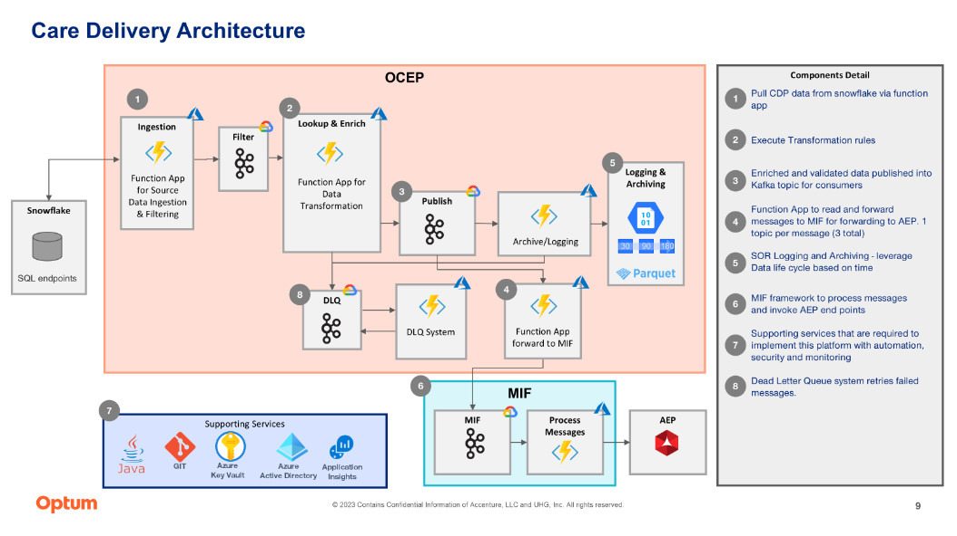
Project Name: | Care Delivery | This excel will cover the mapping from source to target OCEP/MIF/AEP/AJO with all the enrichment/filter/transformation needed being captured with business rules for validation wherever applicable.
Summary: | The purpose of this project is to solve for flow of eligible patient/patient prospects/lead data from OCUDM/OCUFFS/G360 respectively to AJO via OCEP to bring in Care Delivery campaign data use case by use case. AJO will be replacing existing SFMC (which will be decommed).

